Results
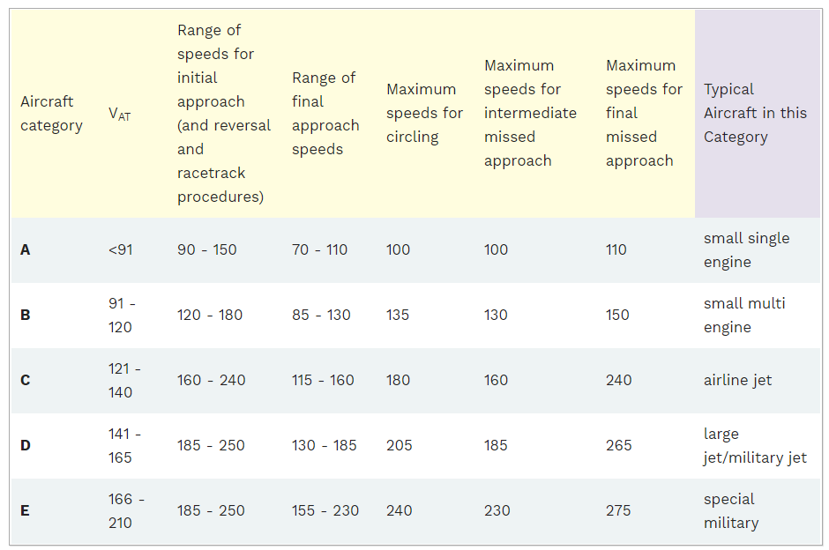
1.How many of the flights are heavy and how many of them are medium?
Aircraft Type | qty
H | 25
M | 25
 |  |  |  |  |  | Medium | Heavy
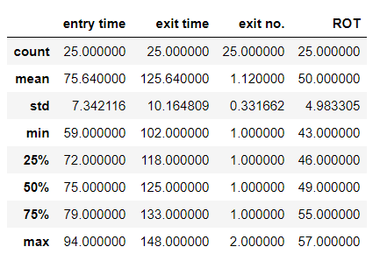
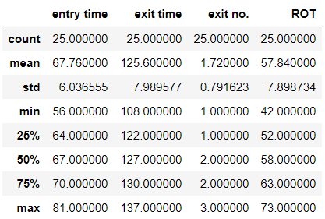
2.State the utilisation frequency of each runway exits by each aircraft type.

 |  | Runway Exit
 |  | 1 | 2 | 3 | Total
Aircraft Type | Heavy | 12 | 8 | 5 | 25
 | Medium | 22 | 3 | 0 | 25
 | Total | 34 | 11 | 5 | 50

3.Plot the histograms for each aircraft type to represent their respective Runway Occupancy Time distributions in a single histogram plot and determine the mean ROT for each aircraft type.
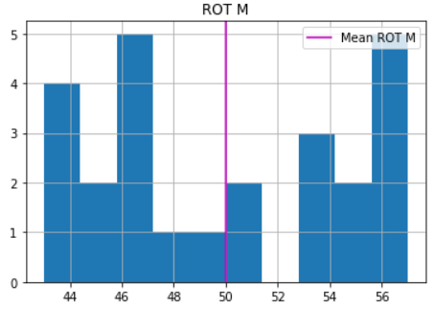
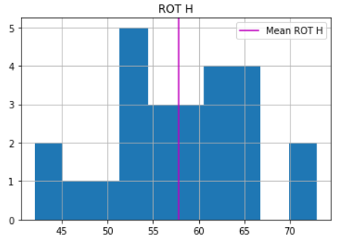
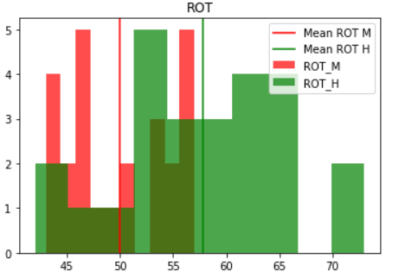
 |  |  |  |  |  |  |  | Type | Mean ROT
 |  |  |  |  |  |  |  | Heavy | 57.84
 |  |  |  |  |  |  |  | Medium | 50

4. Plot the histograms for each runway exit to represent their respective Runway Occupancy Time distributions in a single histogram plot and determine the mean ROT for each runway exit.
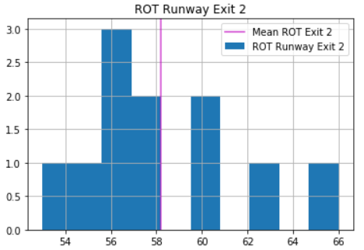
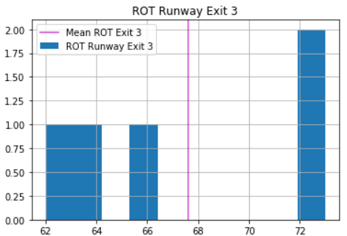
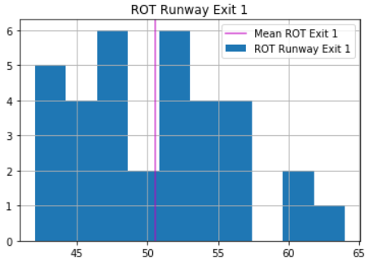
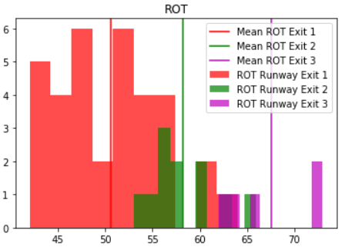

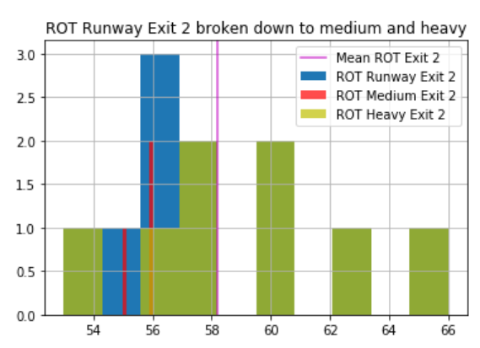
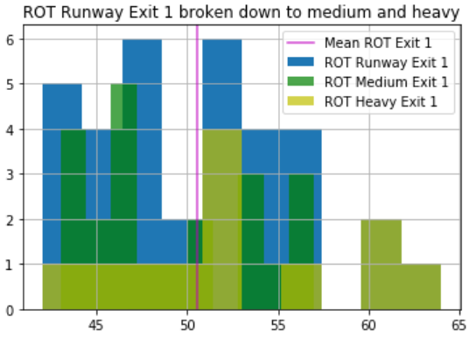
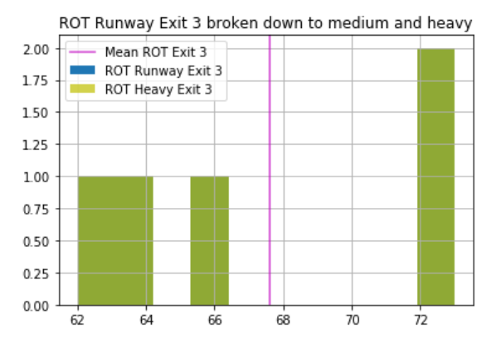

 |  |  |  |  |  |  |  | Exit number | Mean ROT
 |  |  |  |  |  |  |  | Exit 1 | 50.53
 |  |  |  |  |  |  |  | Exit 2 | 58.18
 |  |  |  |  |  |  |  | Exit 3 | 67.6

5. Discuss the results in question 3 and question 4.
From question 3, it can be seen that heavier aircraft tends to have a longer ROT than medium craft . As a rule of thumb, aircraft typically lands at 1.3 times Stall Speed. This means that a heaveir aircraft will have a higher approach speed(L=W=0.5ρ(V^2)SCl). Assumsing the same braking force, a heavier aircraft will require a longer runway distance and a longer time on runway before exit. This is supported by analysis of the Runway Occupancy Time between Heavy and Medium Aircraft. Heavy Aircraft has a mean ROT of 57.8s while Medium aircraft has a ROT of 50s. It is also important to note that heavy aircraft has a larger standard deviation(7.899s) with ROT values betwee(42s to 73s) while medium aircraft has a smaller standard deviation(4.983s) with ROT values betwee(43s to 57s). This could indicate that there is a larger variance in weight of heavy aircrafts landing From questio 4, it can be seen that From question 4, it can be seen that ROT decreases from exit 3, exit 2 and exit 1. This is expected as runway distance decrease from exit 3, 2, 1. Furthur analysis indicated that very few medium aircraft used exit 2 and none exited from exit 3. Studying the histogram from exit 1. There seems to be two peeks(bimodal shape). This likely indicates that the data comes from two different system. Further analysis shows that one way it can be broken down is by aircraft weight.

